Install
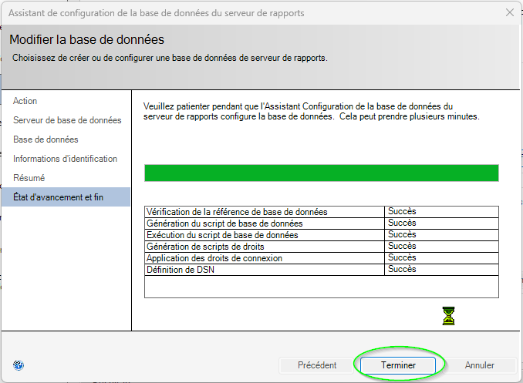
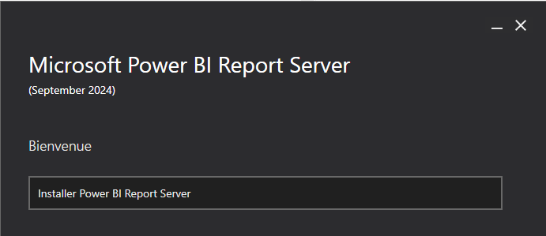
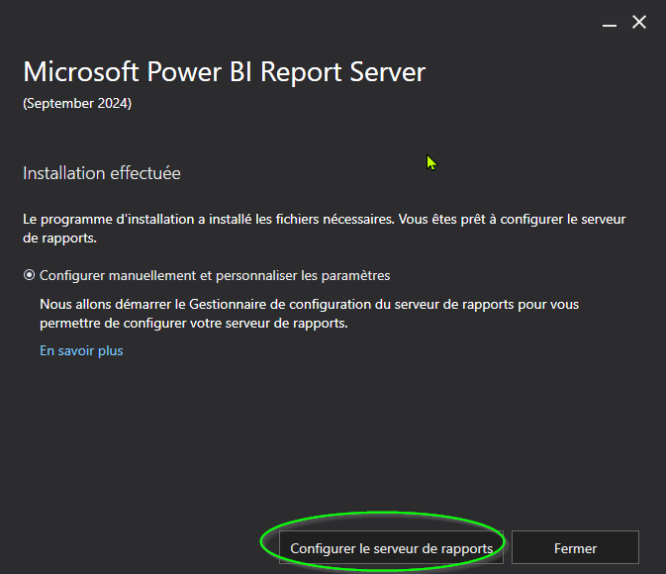
https://www.microsoft.com/fr-fr/download/details.aspx?id=104781

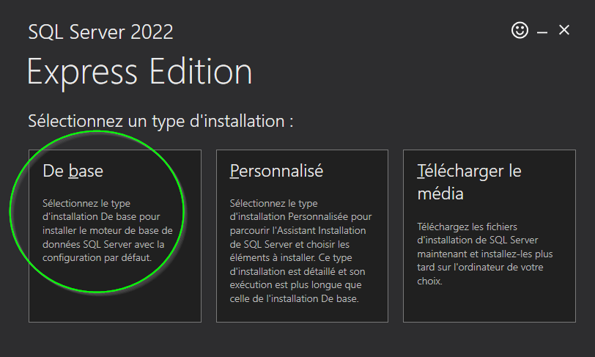
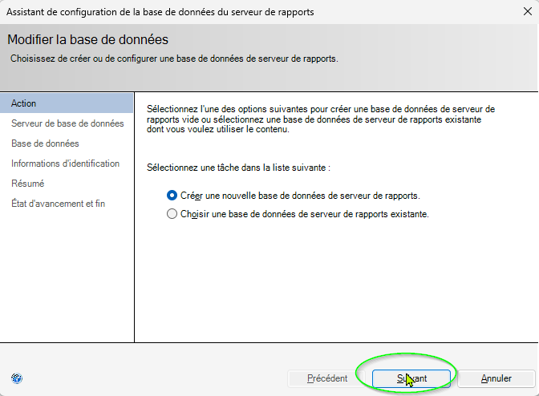
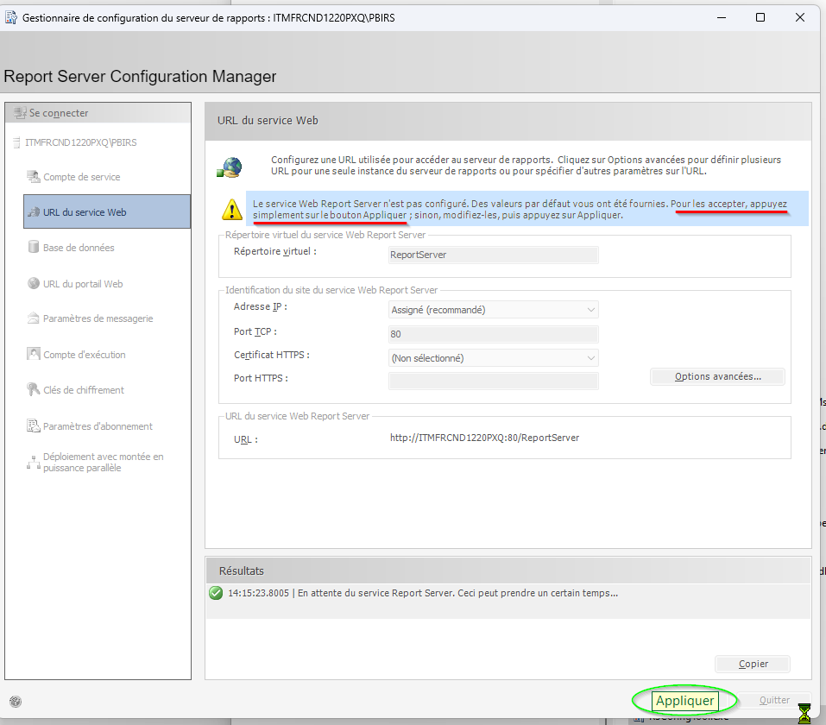
 |  |  | 1> USE master;
 |  |  | 2> GO
 |  |  | Le contexte de la base de données a été modifié en 'master'.
 |  |  | 1> EXEC sp_addrolemember 'db_owner', 'ANNUAIRE\frup78574';
 |  |  | 2> GO
 |  |  | 1> SELECT * FROM sys.database_role_members WHERE member_principal_id = USER_ID('ANNUAIRE\frup78574');
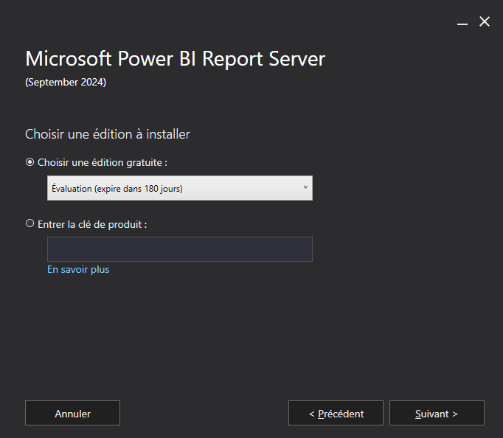
 |  |  | 2> GO
 |  |  | role_principal_id member_principal_id
 |  |  | ----------------- -------------------
 |  |  | 16384 7

 |  |  | (1 lignes affectées)

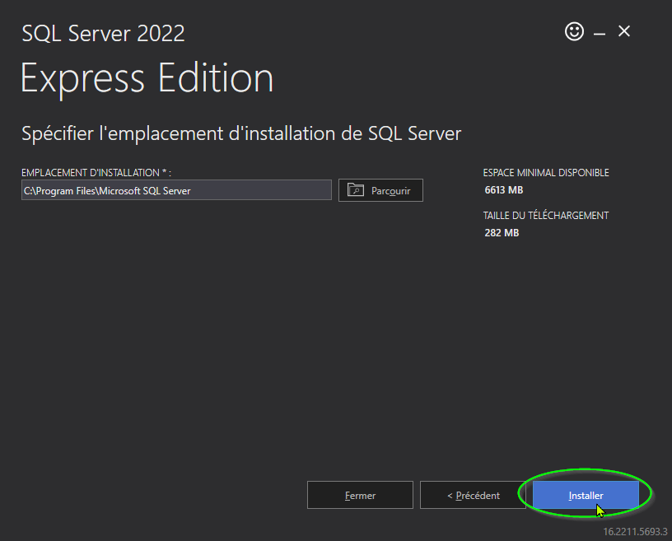
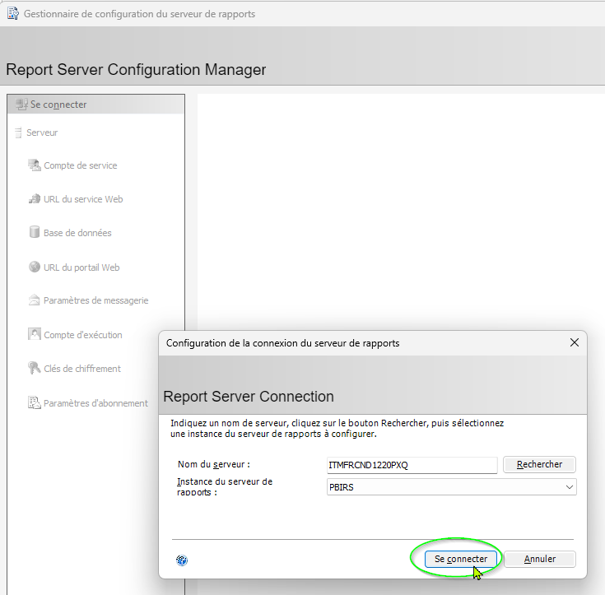

 |  | localhost\SQLEXPRESS
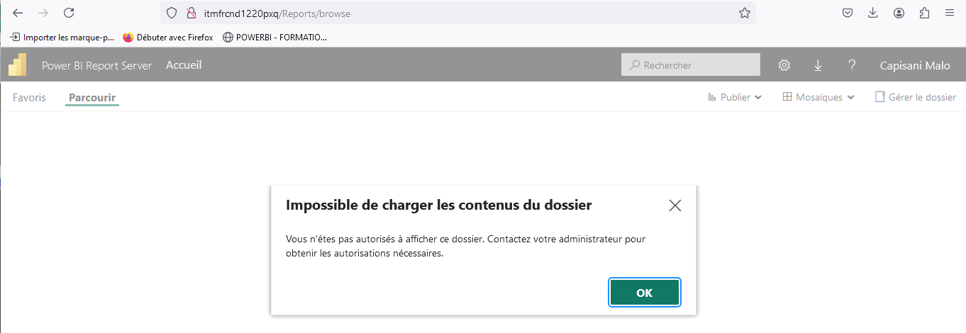
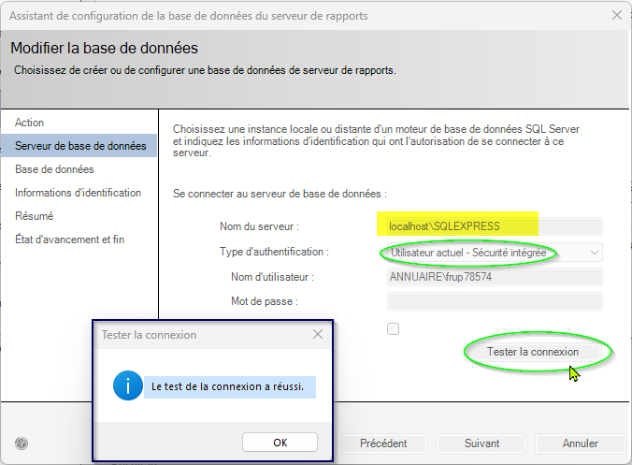

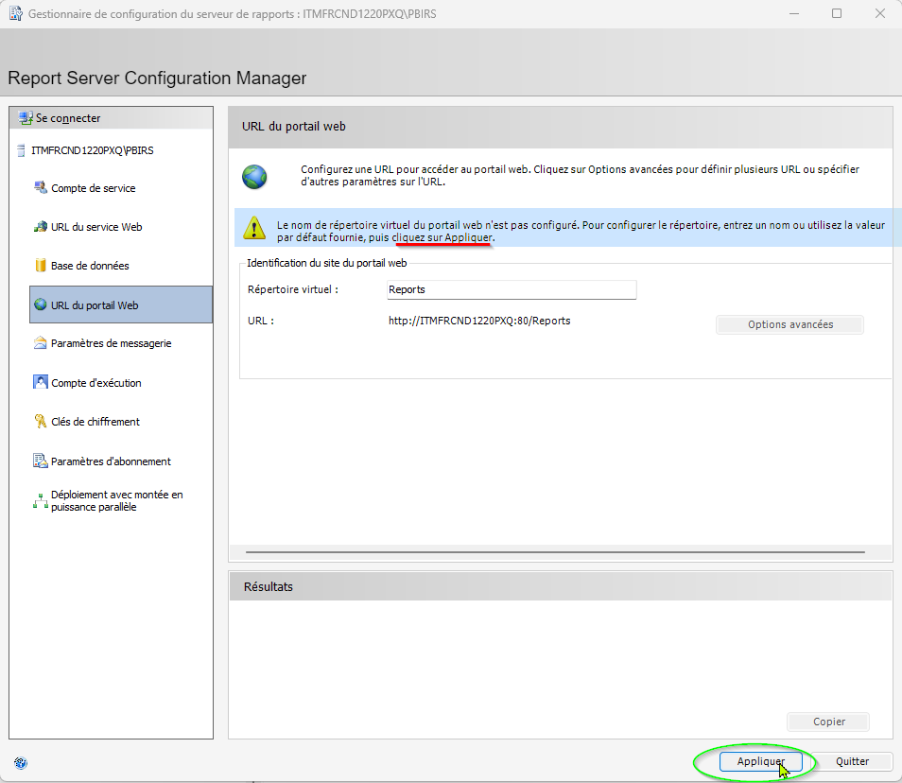

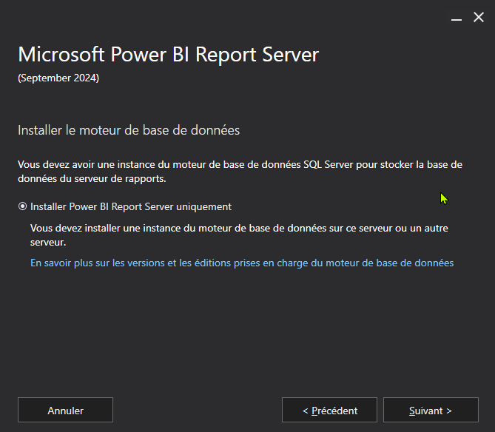
 |  |  |  | Je n'ai pas assez de droits pour lancer ni utiliuser les urls
 |  |  |  | Donc | https://aka.ms/ssmsfullsetup

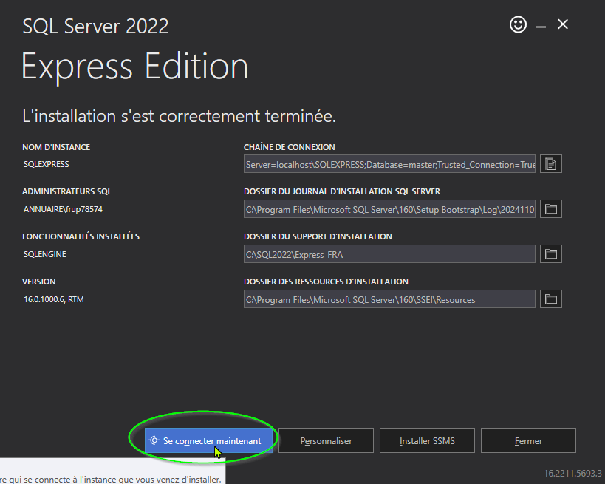
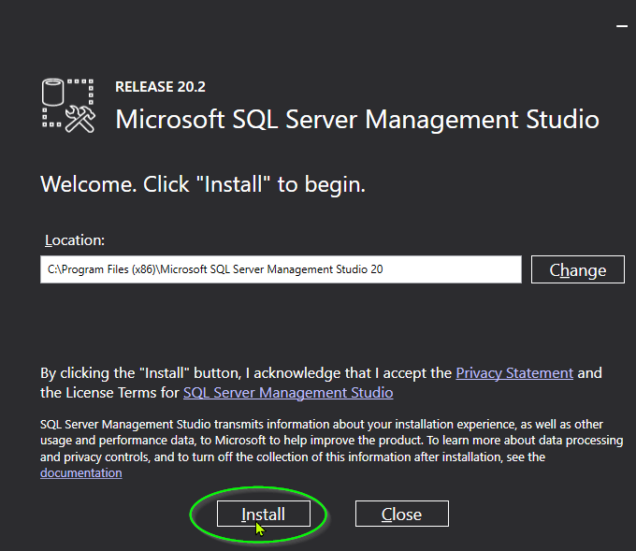

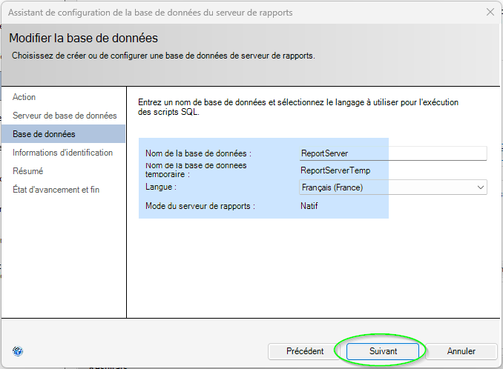

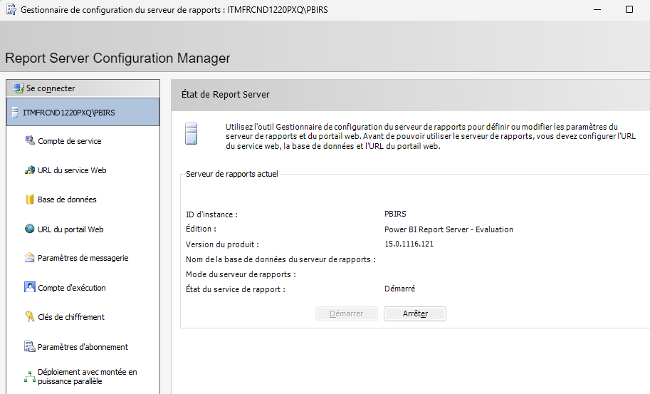

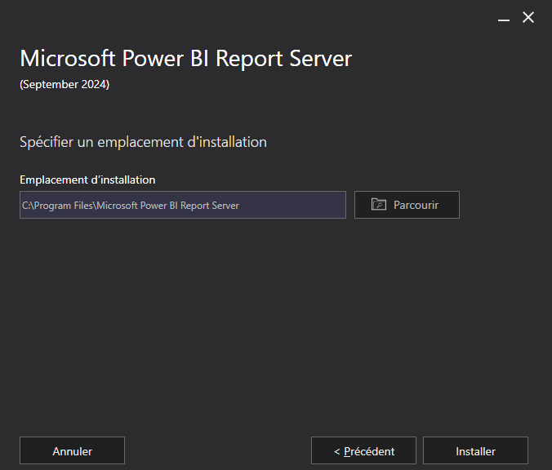

Instance : Server=localhost\SQLEXPRESS;Database=master;Trusted_Connection=True;
 | localhost\SQLEXPRESS

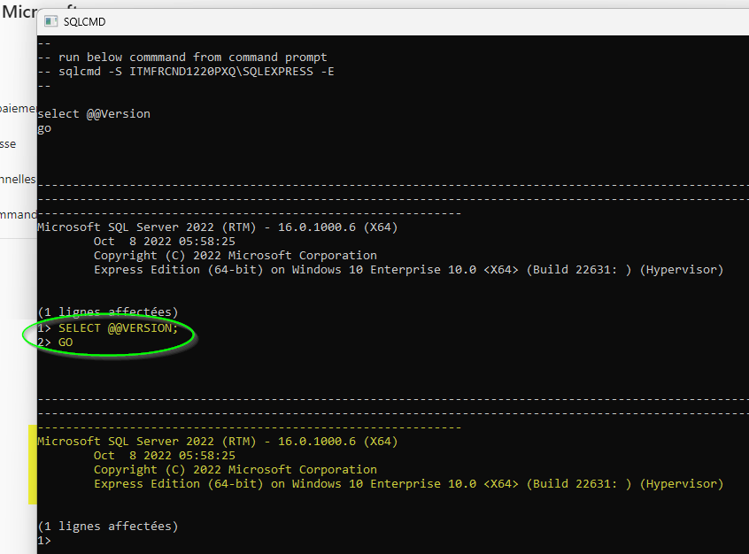
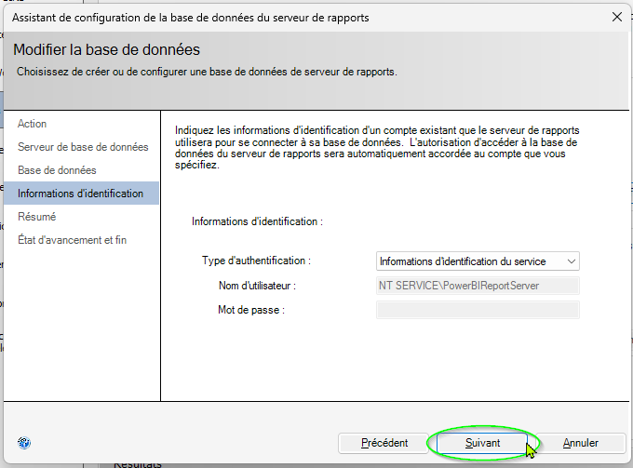

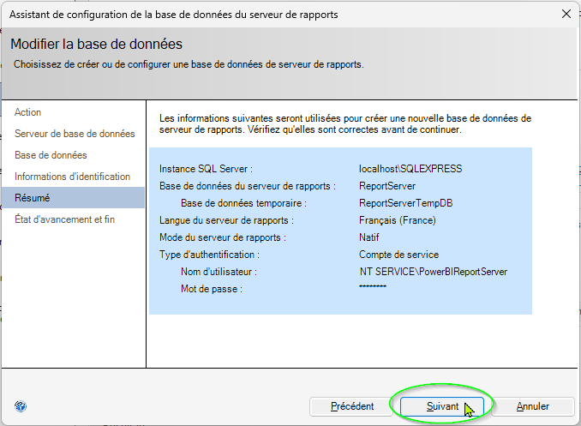
Server=localhost\SQLEXPRESS
Database=master

Config
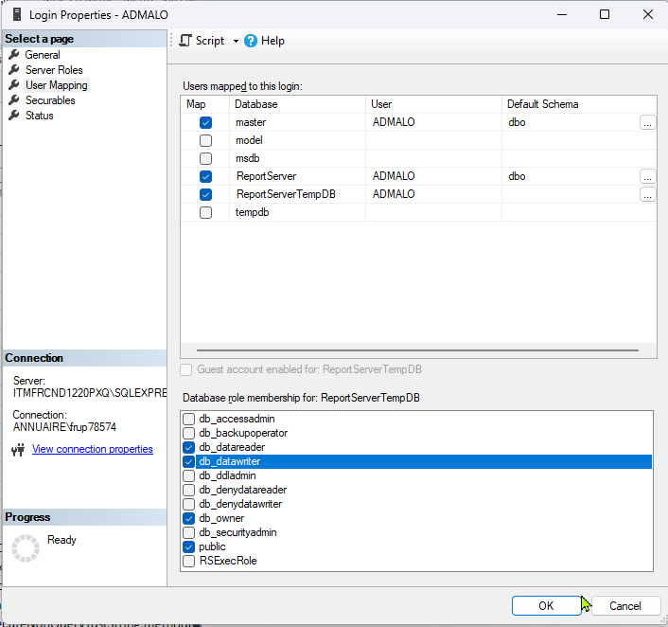
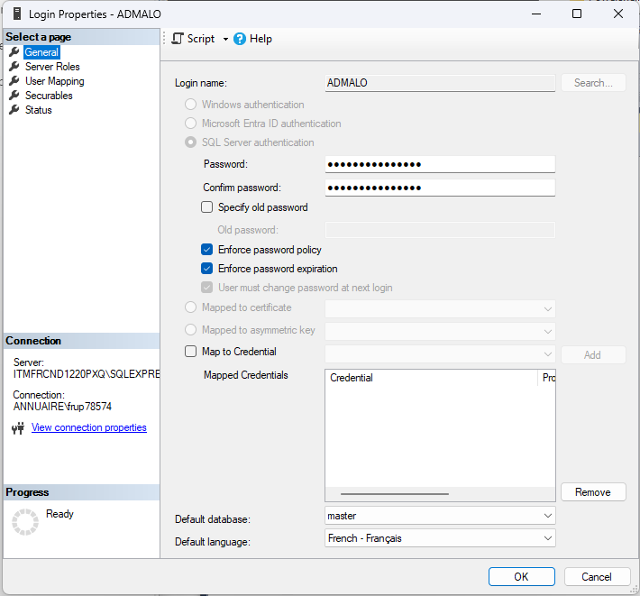
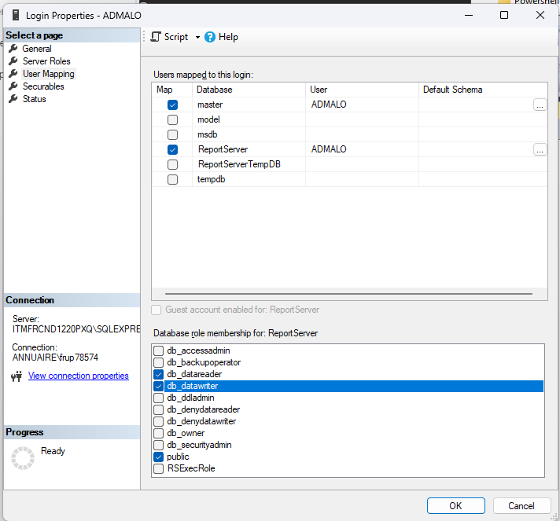
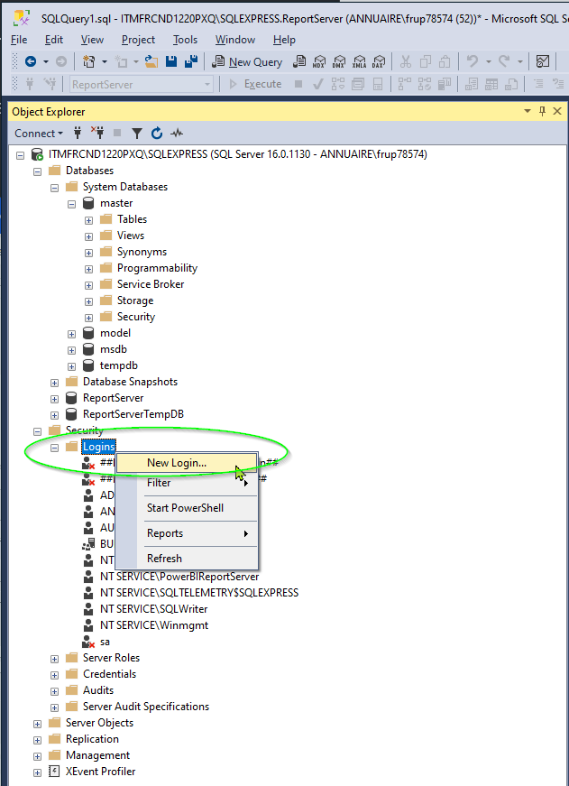

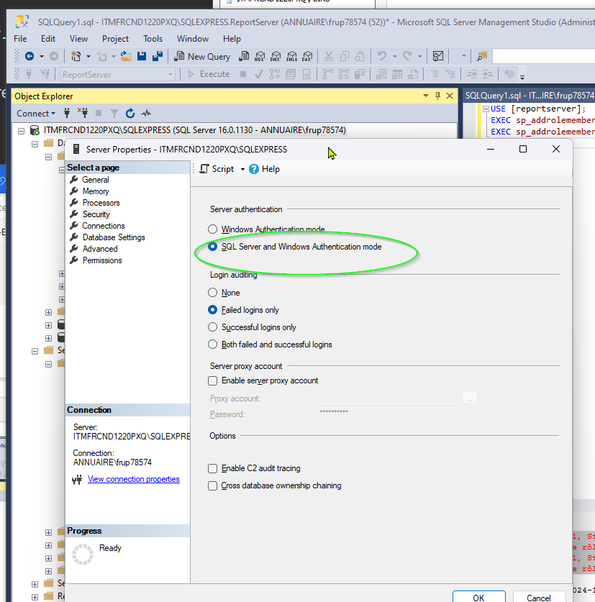
En créant le user ADMALO , activant le SQL Server and AUTHENTIFICATION Mode , je peux me connecter
depuis SSMS en utilisant ADMALO associé au choix le trust server certificate |  | depuis Report server en utilisant
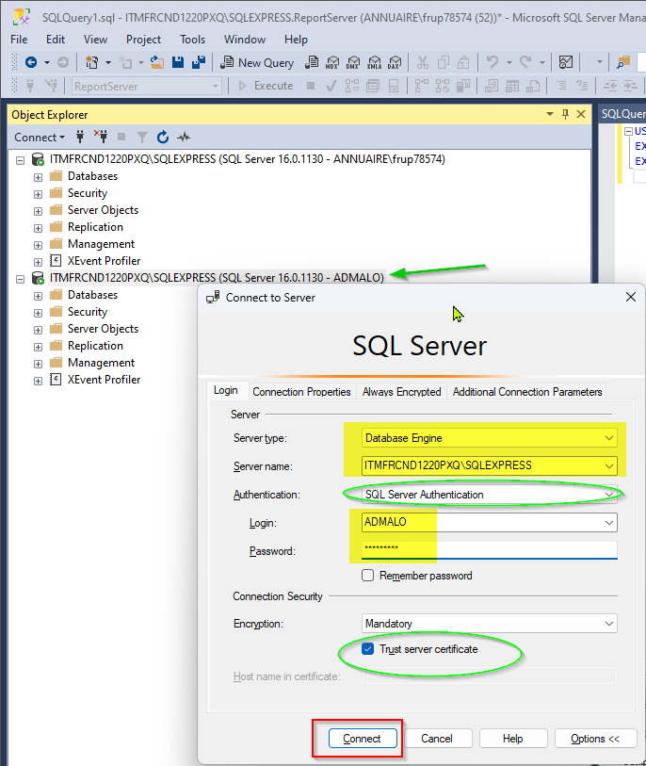
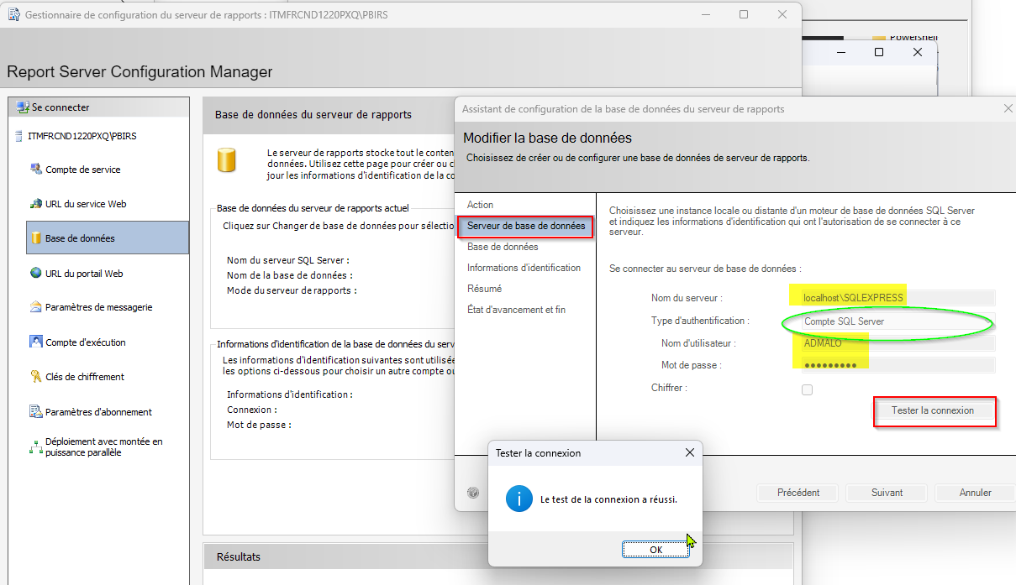

Mais ...
 | Tentative d'ajouter db_owner ... ET ca passe
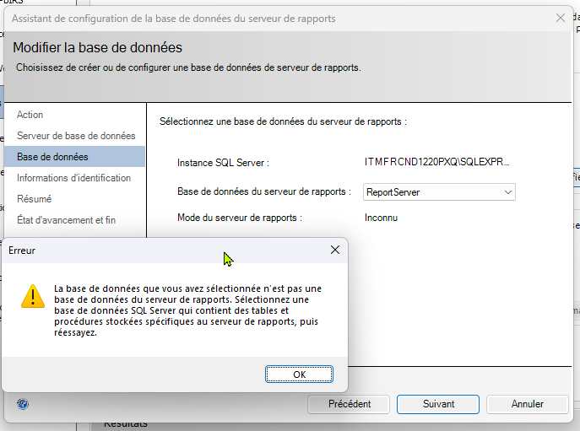
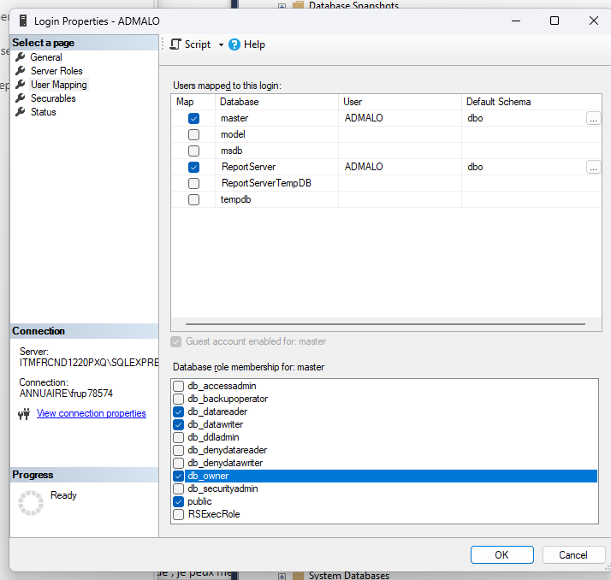

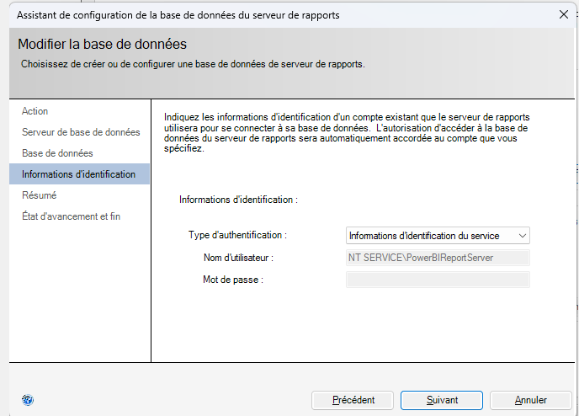

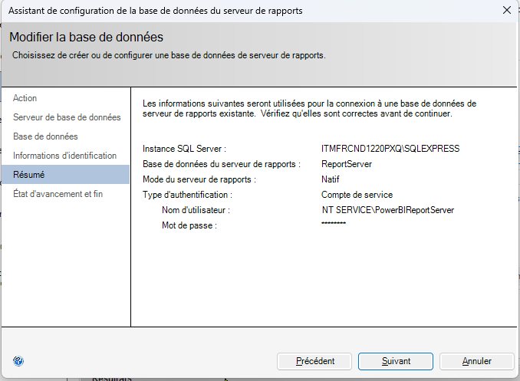

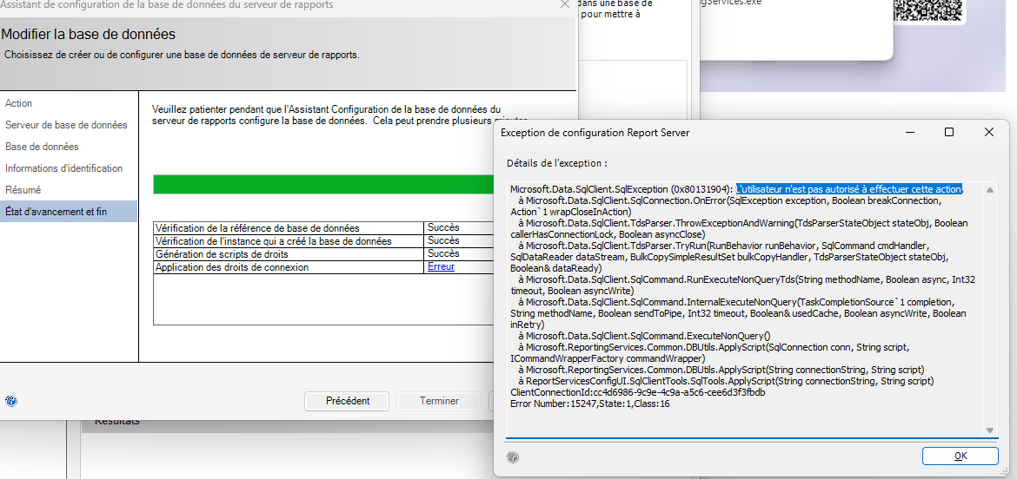

Mais la validation est refusé car

Microsoft.Data.SqlClient.SqlException (0x80131904): Le principal de serveur "ADMALO" ne peut pas accéder à la base de données "ReportServerTempDB" dans le contexte de sécurité actuel.
à Microsoft.Data.SqlClient.SqlConnection.OnError(SqlException exception, Boolean breakConnection, Action`1 wrapCloseInAction)
à Microsoft.Data.SqlClient.TdsParser.ThrowExceptionAndWarning(TdsParserStateObject stateObj, Boolean callerHasConnectionLock, Boolean asyncClose)
à Microsoft.Data.SqlClient.TdsParser.TryRun(RunBehavior runBehavior, SqlCommand cmdHandler, SqlDataReader dataStream, BulkCopySimpleResultSet bulkCopyHandler, TdsParserStateObject stateObj, Boolean& dataReady)
à Microsoft.Data.SqlClient.SqlCommand.RunExecuteNonQueryTds(String methodName, Boolean async, Int32 timeout, Boolean asyncWrite)
à Microsoft.Data.SqlClient.SqlCommand.InternalExecuteNonQuery(TaskCompletionSource`1 completion, String methodName, Boolean sendToPipe, Int32 timeout, Boolean& usedCache, Boolean asyncWrite, Boolean inRetry)
à Microsoft.Data.SqlClient.SqlCommand.ExecuteNonQuery()
à Microsoft.ReportingServices.Common.DBUtils.ApplyScript(SqlConnection conn, String script, ICommandWrapperFactory commandWrapper)
à Microsoft.ReportingServices.Common.DBUtils.ApplyScript(String connectionString, String script)
à ReportServicesConfigUI.SqlClientTools.SqlTools.ApplyScript(String connectionString, String script)
ClientConnectionId:a10f79b0-6353-48af-8e29-020a4368a7d3
Error Number:916,State:2,Class:14

Alors j'applique la meme chose à ReportServerTemp

Installation Reporting Service
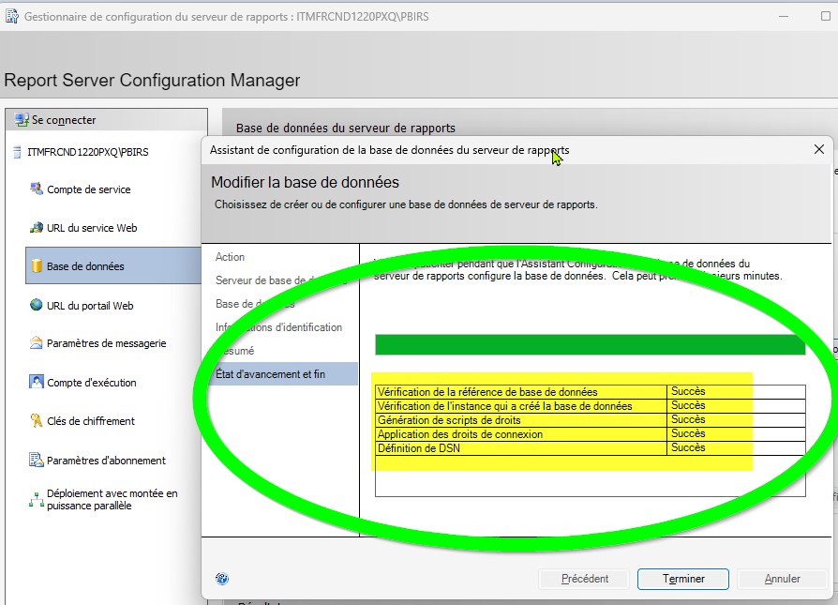
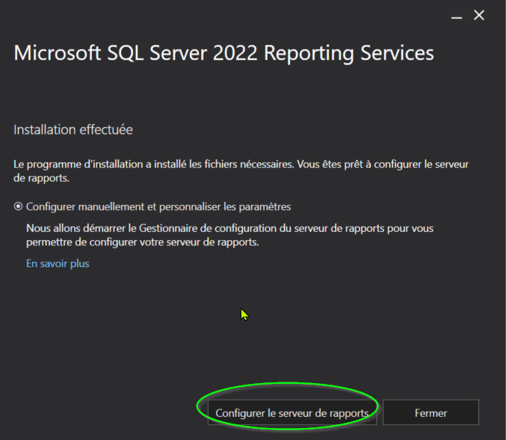
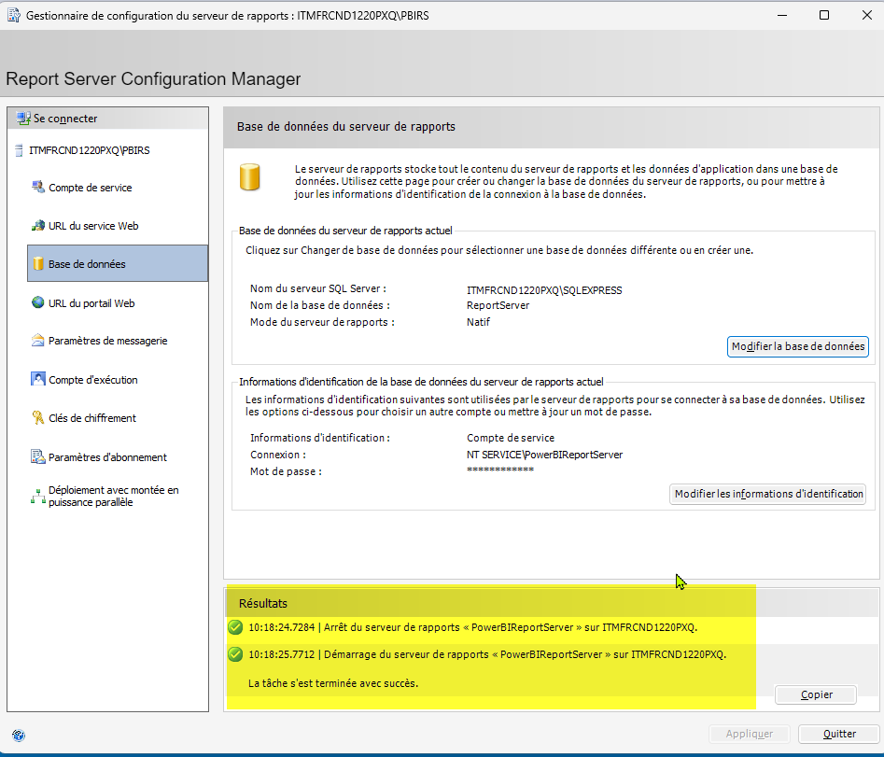
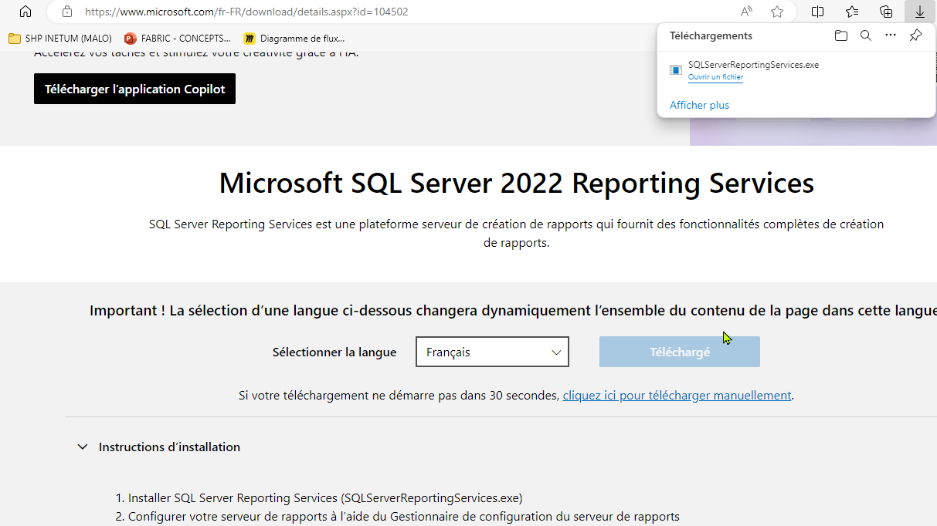

 | installation de Reporting service mais cel sembe inutile ....

Par contre :
connexion en 'admin' ( mon compte windows )
et Assignation du role
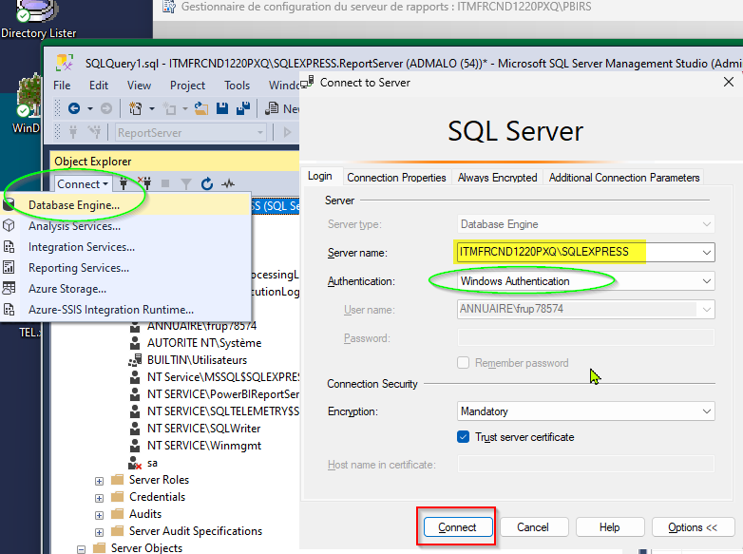
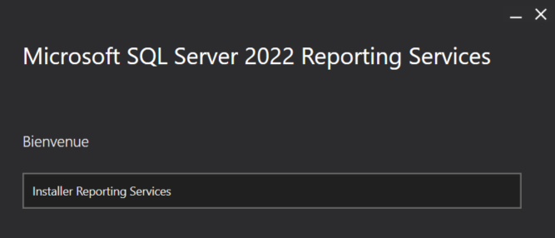

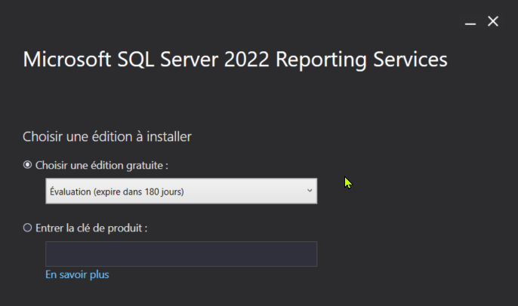

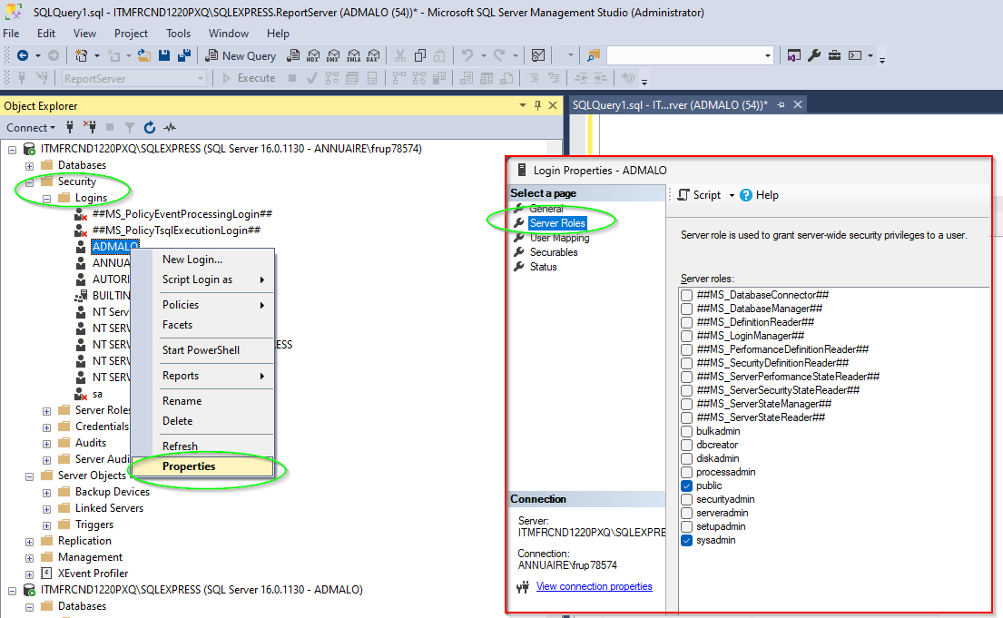

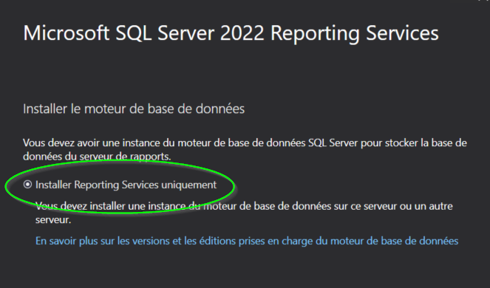

SUCCES !

